Script
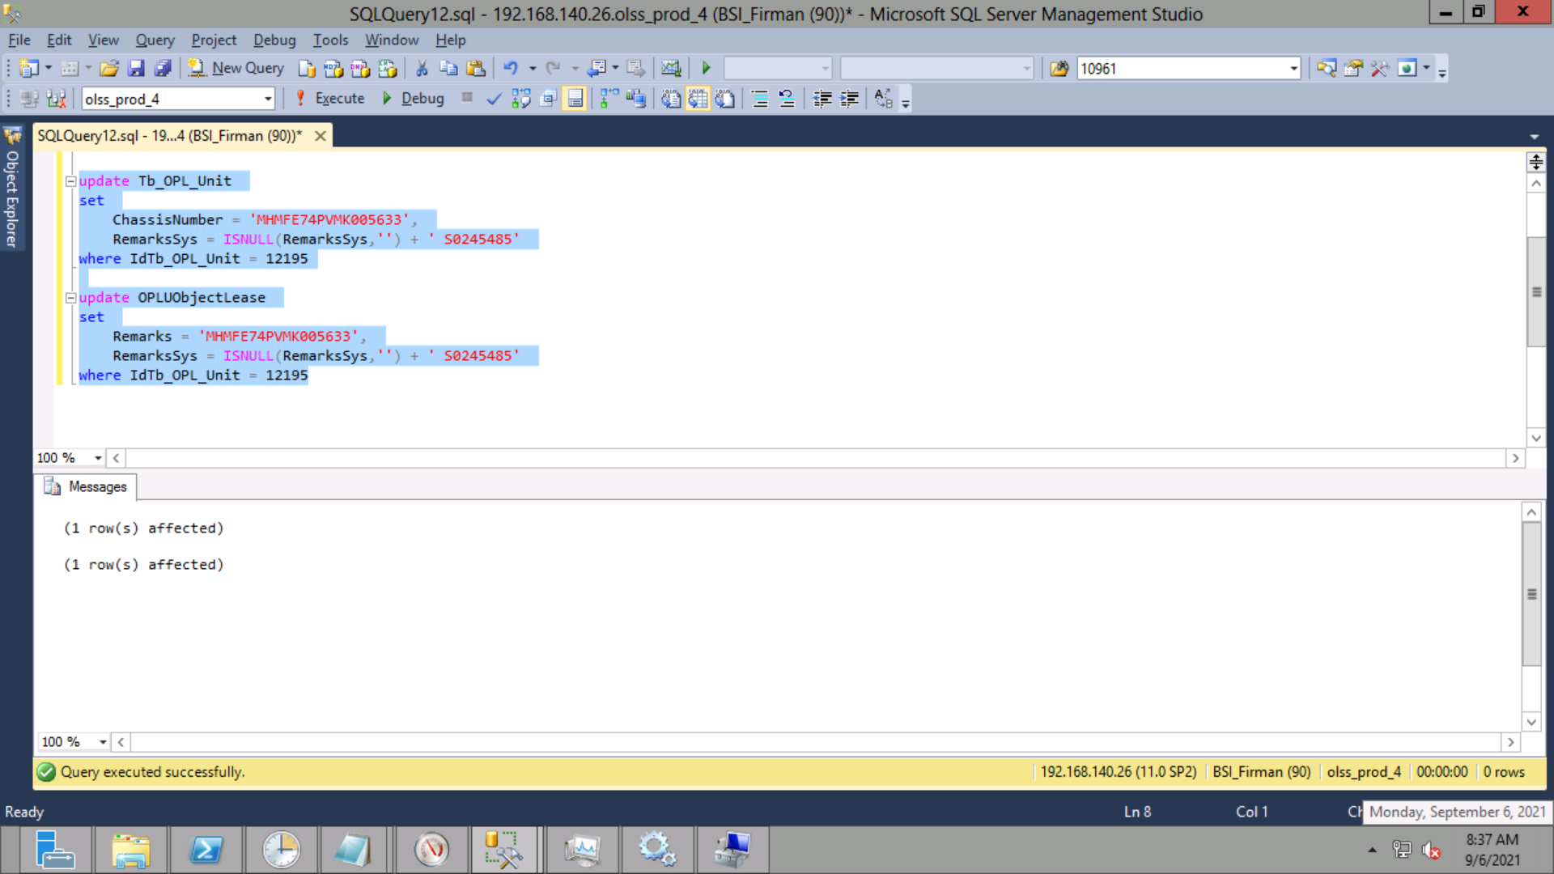
update Tb_OPL_Unit
set
 | ChassisNumber = 'MHMFE74PVMK005633',
 | RemarksSys = ISNULL(RemarksSys,'') + ' S0245485'
where IdTb_OPL_Unit = 12195

update OPLUObjectLease
set
 | Remarks = 'MHMFE74PVMK005633',
 | RemarksSys = ISNULL(RemarksSys,'') + ' S0245485'
where IdTb_OPL_Unit = 12195

Screenshot
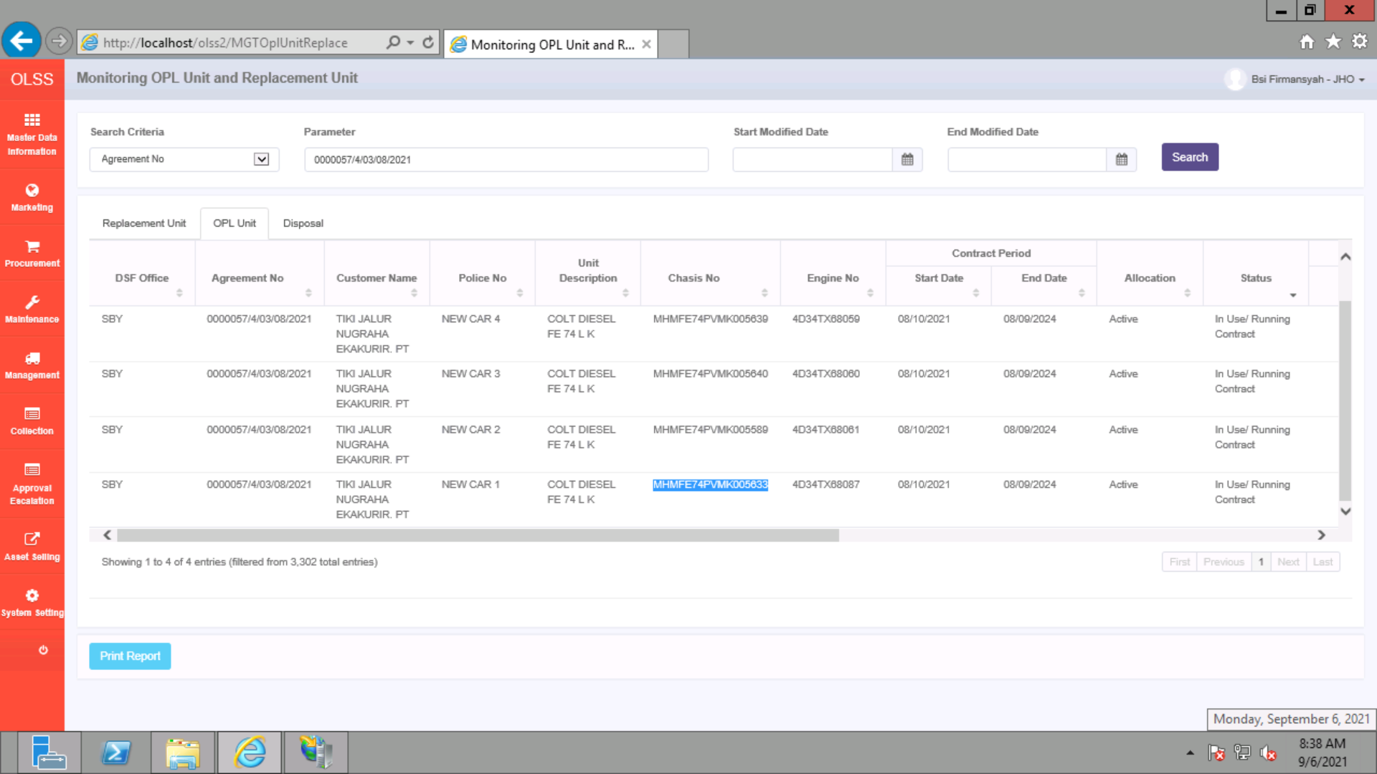
BEFORE


AFTER

